RatioFormulas
 | Ratios to Use for the Ratio tabs (from Chapter 2 of your text), otherwise find the appropriate Ratio in your text if not here.

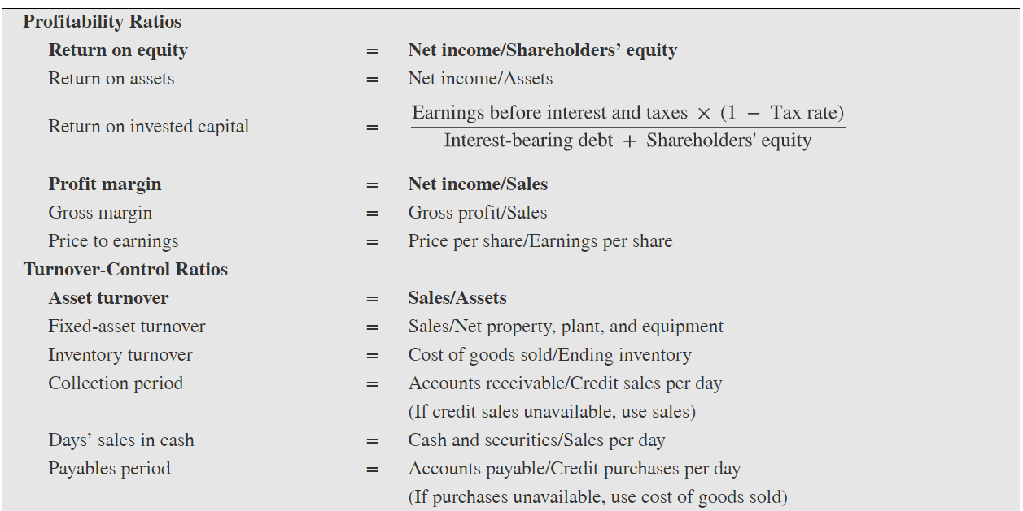

 |  | Note that the Collection period is NOT A/R turnover, this is actually collection days
 |  | so be careful on the Ratio tab not to use this for A/R turnover

 |  | Note that the Payables period is NOT A/P turnover, this is actually payable days
 |  | so be careful on the Ratio tab not to use this for A/P turnover
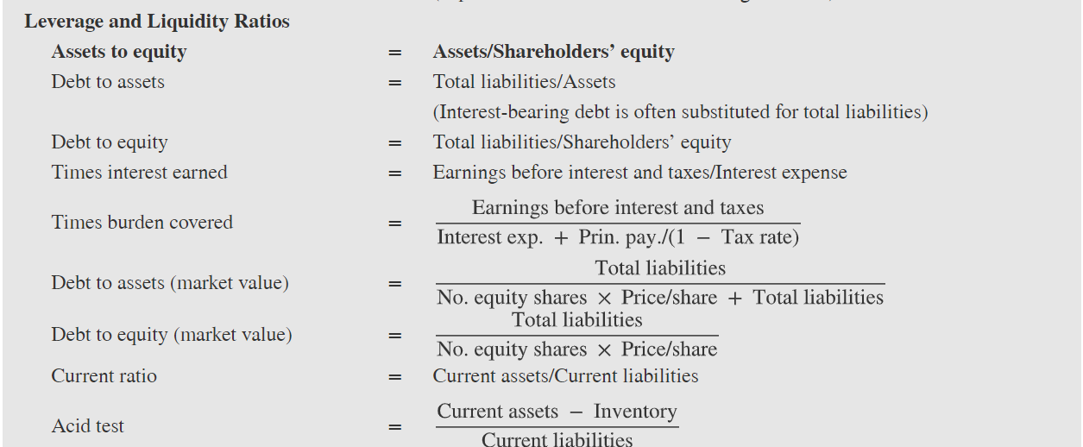

Free Cash Flow = Cash flow from Operations on CF Statement minus cash used in purchasing Capital Equipment on CF Statement

